Instructions
Instructions for completing AMH+ and CMA Provider Capacity Building Budget Template

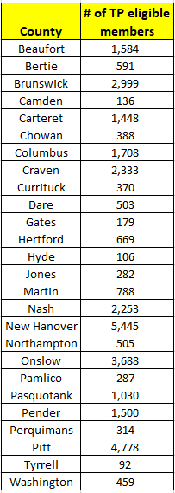
1. For each provider, a separate budget is needed for each site. | Based on current population data, Trillium can estimate the # of Tailored Plan eligible members eligible to receive Tailored Care Management in Year 1
2. For each item labeled 3.1 through 6.3, enter what will be needed in funding for one plan year (fiscal year of July - June). | This information may serve as a guide for providers when identifying capacity building funds needed.
3. Cells which are part of the annualized total in cell B33 are locked.
4. Please address any additional items not already listed on the budget in rows 29-31 and label them appropriately.

Trillium Invoicing Process after contract is fully executed:

Monthly pre-audited and signed invoices must be sent to Trillium Health Resources at Accounts Payable (AccountsPayable@trilliumnc.org) by the 10th of each month for the prior month's expenditures.

1. All funds must be spent by provider prior to submission of an invoice and in NO circumstances can funds be advanced.
2. All services must be pre-audited by provider for compliance with all performance-based requirements prior to invoicing Trillium.
3. Each invoice must include an attestation/certification statement that states the following: "I hereby attest or certify that thecosts reported for reimbursement represent allowable costs which have been expended according to the terms of the Contract and such costs are documented in our accounting records." This statement must be signed and dated by an authorized representative of the provider organization.
4. Attached to the invoice must be an excel spreadsheet that shows detailed monthly and year to date direct and indirect (if applicable) costs in support of the funding and all first and third party revenues earned. A General Ledger detail that verifies the monthly and year to date activity for the program shall also be attached.
5. Payroll register including payroll taxes, and benefits (i.e. insurance) must be submitted with each monthly invoice.
6. All assets purchased with these funds with a value of $5,000 or more must be reported to Trillium Health Resources on a monthly basis. Reports must be submtted to Accounts Payable at AccountsPayable@trilliumnc.org.
7. Payments shall be made within thirty (30) days after receipt of a complete, accurate, and approved invoice.
8. Invoices/billing documentation received after (60) days from the deadline may be subject to slower processing times, or be at rist for unavailability of funds with the exception of fiscal year end, June 30th. All invoices for the fiscal year must be submitted by July 15th in order to receive reimbursement, as funds for the fiscal year are unavailable to Trillium after July 27th. | For example, in Pitt County, there are an estimated 4,778 TP Members who may qualify for TCM. As anticipated, if 37% of Members receive TCM from a CMA or AMH+, then approximately 1768 Members would be served by providers.
 | ** These projections are estimates only and may change.

